Switch Interface Matrix
Sub-System | Interface | Info | CD542 | CX727 | U725 |  | P702 |  | U554 MCA |  |  | U625 ICA |  | CD764
1 - Steering Wheel Switch | CAN | Part | SWS - Right | SWS - Right | SWS - Left | SWS - Right | SWS - Left | SWS - Right | SWS Upper Left | SWS Upper Right | SWS Lower Right | SWS - Left | SWS - Right | SWS - Right
 |  | Function | Volume+ Volume - Seek + Seek - PTT Cluster up Cluster down Cluster OK | Volume+ Volume - Seek + Seek - PTT Phone Mute | Volume+ Volume - | Back Menu Cluster up Cluster down Cluster OK Phone PTT Seek + Seek - | Vol+ Vol- PTT Raptor - Not IVI | Cluster up Cluster down Cluster OK Wheel - not IVI Shocks - not IVI Exhaust - not IVI Seek + Seek - Back Menu | Volume+ Volume - Seek + Seek - | Cluster Up Cluster Down Cluster OK Cluster Back | Phone PTT Display (or HUD) Audio Setting Nav | Vol+ Vol- Mute | Cluster Up Cluster Down Cluster OK Cluster Back Cluster Menu seek+ seek- phone PTT | Volume+ Volume - Seek + Seek - PTT Cluster up Cluster down Cluster OK
 |  | Picture | MB6T-14K147-BA need pic from BCHEN67 |  | 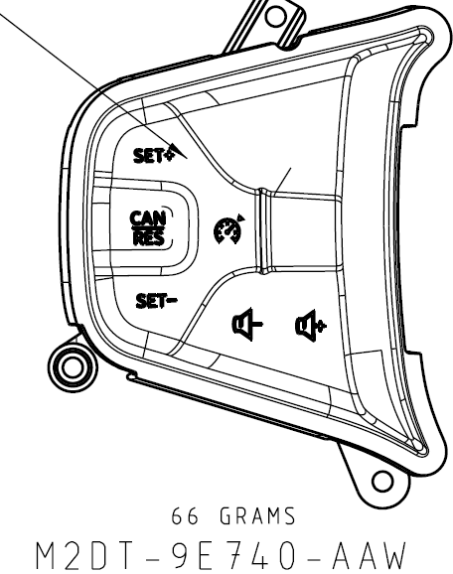 | 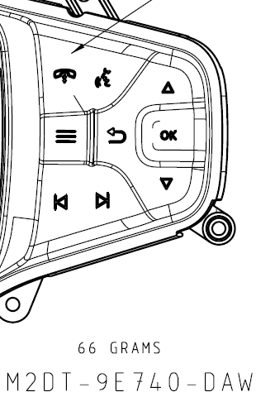 |  | 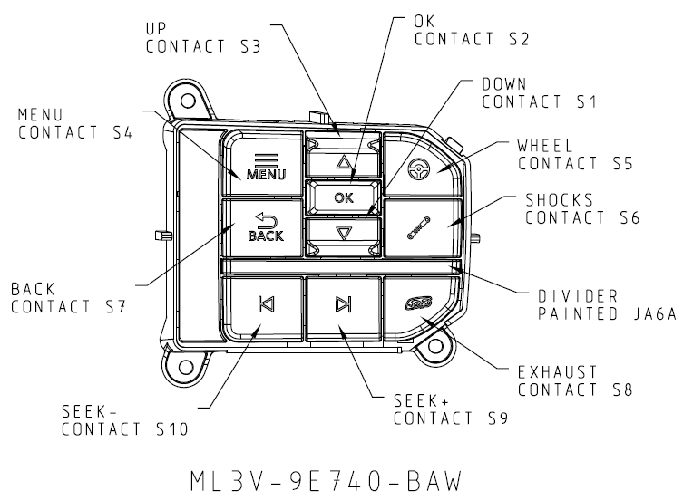 |  |  | 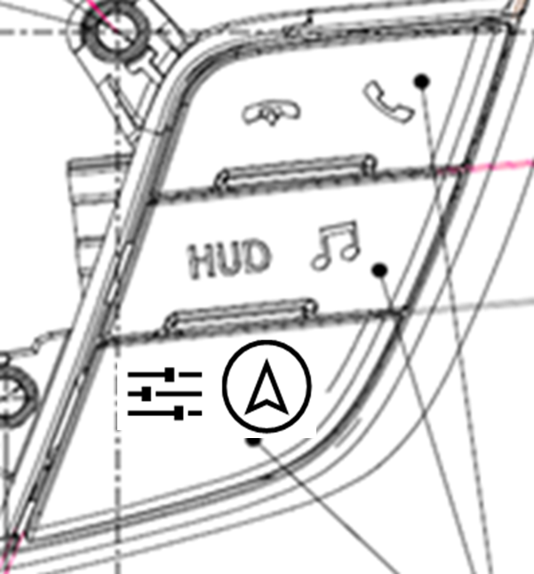 | 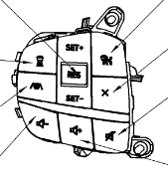 | 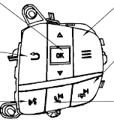 | MB6T-14K147-BA need pic from BCHEN67
2 - mini ICP (LIN) | LIN | Part | Console Switch | NA | mini ICP |  | mini ICP |  | NA |  |  |  |  | Console Switch
 |  | Function | Audio On/Off Volume DAT short cut |  | ICPBtnID_SeekLeft ICPBtnID_SeekRight ICPBtnID_PlayPause Left knob: Volume and power on/off (push button) Right knob: Tune (w/o push button) not IVI: 360 (Hardwired to IPMB) stop/start park aid |  | Sound Menu Media Display ICPBtnID_SeekLeft ICPBtnID_SeekRight ICPBtnID_PlayPause Left knob: Volume and power on/off (push button) Right knob: Tune (w/o push button) |  |  |  |  |  |  | Audio On/Off Volume DAT short cut
 |  | Picture | 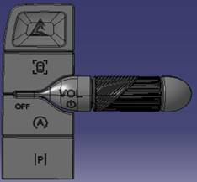
3.1 - Climate RCCM (no buttons) | CAN | Part | RCCM | RCCM |  |  |  |  |  |  |  |  |  | RCCM
 |  | Function | CA - High-AAR, support heated seat., heated+cooled DA - Low - support heated+cooled | same interface as CD542 but different supplier, suggest order a few for validation Auto Dual Zone, AAR, Heated Seat/Wheel |  |  |  |  |  |  |  |  |  | CA - High-AAR, support heated seat., heated+cooled DA - Low - support heated+cooled
3.2 - Climate CCH/ECP (w/ button) |  | Part |  |  | CCH |  | CCH |  | ECP
 |  | Function |  |  | Auto Dual AC Mirror and Rear Defrost Heated Steering Wheel Heated Seats |  | Auto Dual AC Vent/Heated Seat Heated Steering Wheel |  | <Dual Auto Front w/ Auto Rear (Tri-Zone Auto)>
 |  | Picture |  |  |  |  |  |  | see <Picture U554> tab
4 - Rear Climate/Audio | CAN | Part |  |  |  |  |  |  | RACM
 |  | Function |  |  |  |  |  |  | Rear Audio Status: Locked by front / Phone / Voice Recognition Rear Climate Status: Locked by front Rear Climate Setting: Fan Speed, Auto (on/off), Mode (face/foot), Temp Rear Audio Setting: Source, Volume, Turner
 |  | Picture |  |  |  |  |  |  | see <RACM wire frame> file

picture U554
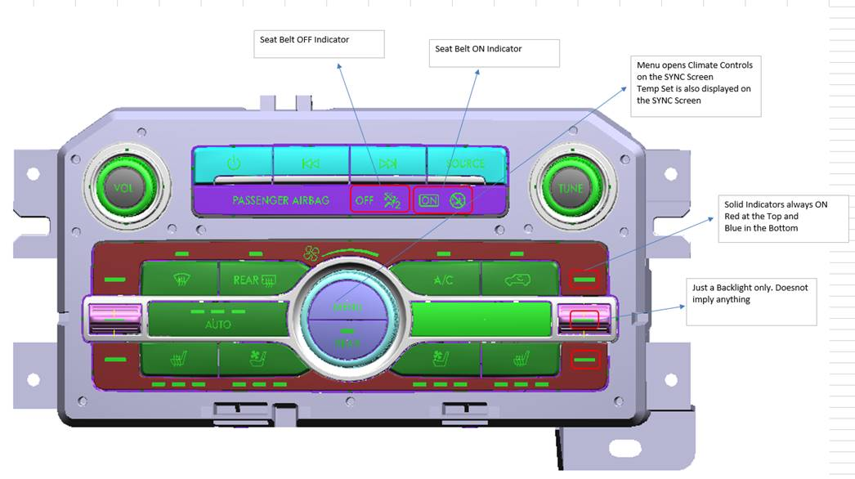

climateControl
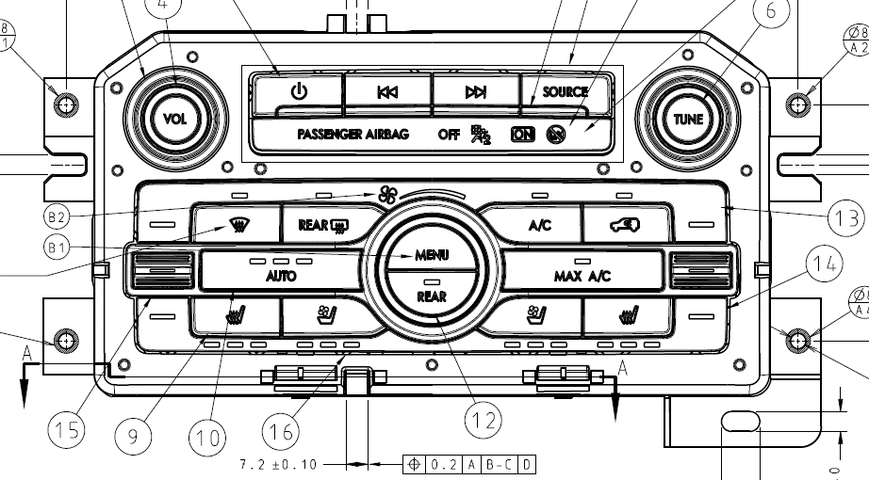
U554:

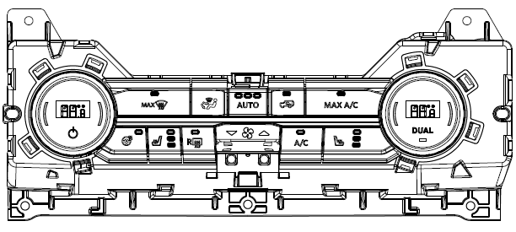
U725:

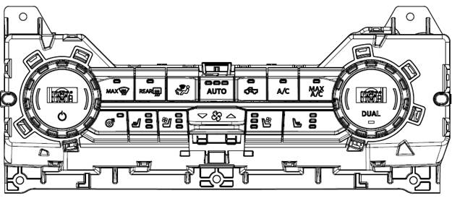
P725:

